Sheet1
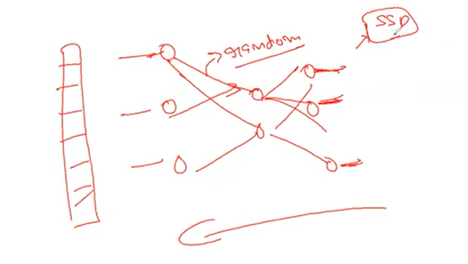
Transformers
 | Context
 | Orders
GPT | 2018
1 | - Open AI - Elon Musk
 | - Pretraining |  | Fine Tuning
 | Reference | /04.AttentionIsAllYouNeed/GPT1_Architecture.pdf

2 | Pre-trained Model
 |  | We are using this so that don't have to use from random weights .
 |  | Same kind of thing is being used in NLP
 |  | Book corpus dataset - 7000 books

3 | Initially GPT architecture started with huge amount of data |  |  |  |  |  |  |  |  |  |  |  |  |  | Backward propagation
 |  | - 100 of books & train the model .

4 | When they were doing pretraining they were using approach .
 | because of huge amout of data , it's not possible to get labelled data .

5 | GPT
 |  | Unlabelled data
 |  | Decoder based network

 | Unsupervised task / approach
 |  |  | t1 | t2 | t3 | t4 | t5 | t6 | t7 | t8 | t9
 |  |  | My | Name | is | Jateendra | and | I | work | for | ABC
 |  |  |  | Feature |  | target

 |  |  |  |  | feature |  | target

 |  |  | t : tokens

 | - OpenAI released GPT architecture
 |  | - Pretrained model |  | ( adjust weight & relationship between data )
 |  | - Unsupervised data

6 | hyperparameter tuning # Fine tuning
 |  |  |  | Pre-trained weights +
 | parameter updation |  |  | labelled/unlabelled data for a specific task and we adjust outer layer weights.

7 | GPT released pretrained model .
 |  | So add your own labelled data with NN .

8 | Unsupervised - pretraining
 | Supervised - finetuning

9 | first version of GPT had 12 decoders
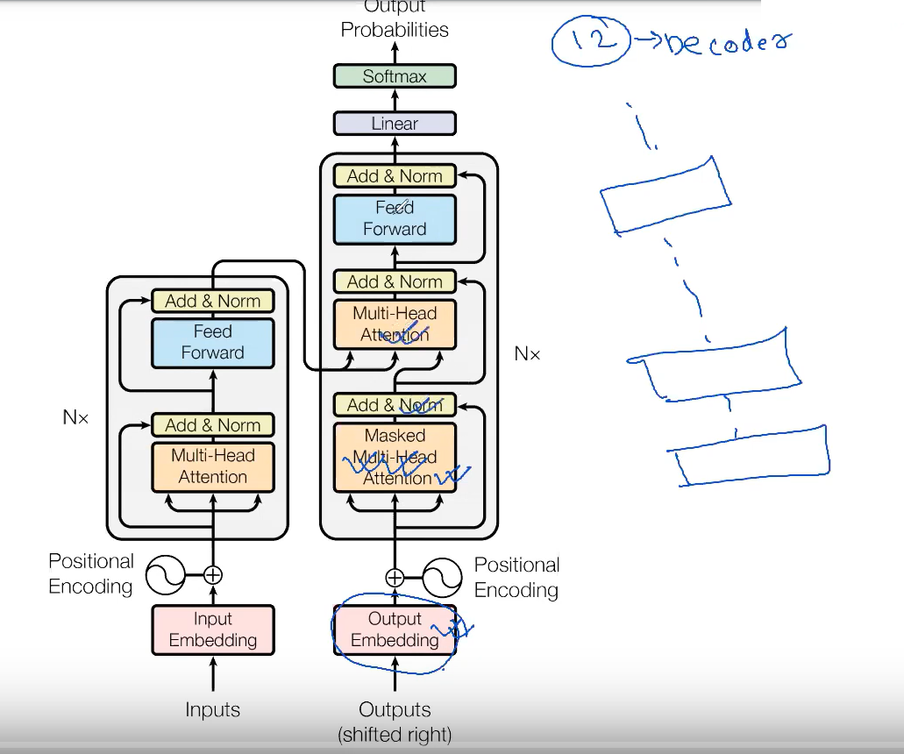
 |  |  |  |  |  |  |  |  |  |  |  | - Masked multi self attention
 |  |  |  |  |  |  |  |  |  |  |  |  | - Half of the weights will be visible

 |  |  |  |  |  |  |  |  |  |  |  | - Masking in BERT & GPT are different

 |  |  |  |  |  |  |  |  |  |  |  | - Here we use masking to keep randomness of data .

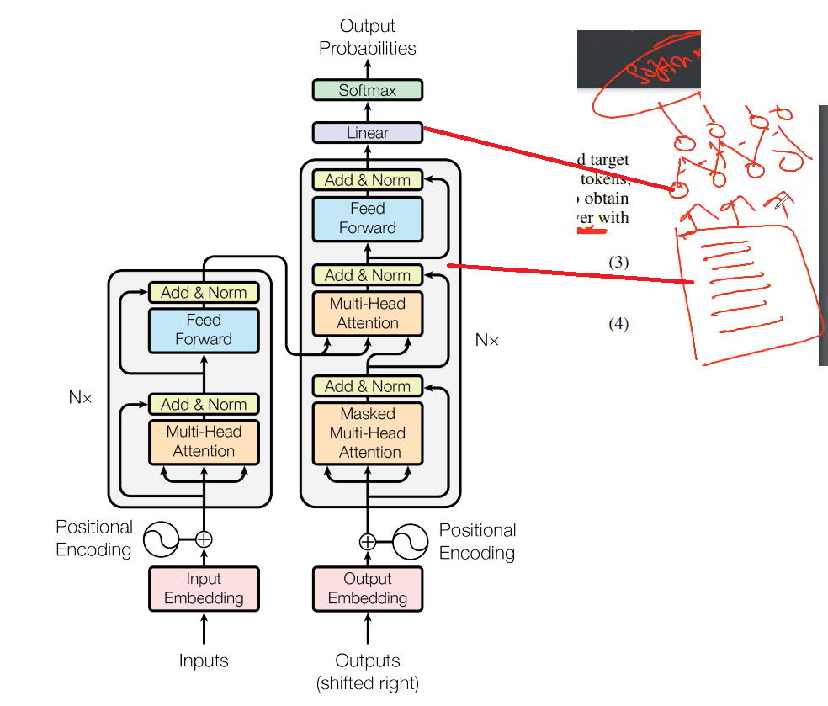

 |  |  |  |  |  |  |  |  |  |  |  |  |  | linear function |  | Supervised

 |  |  |  |  |  |  |  |  |  |  |  |  |  | Decoder |  | Unsupervised

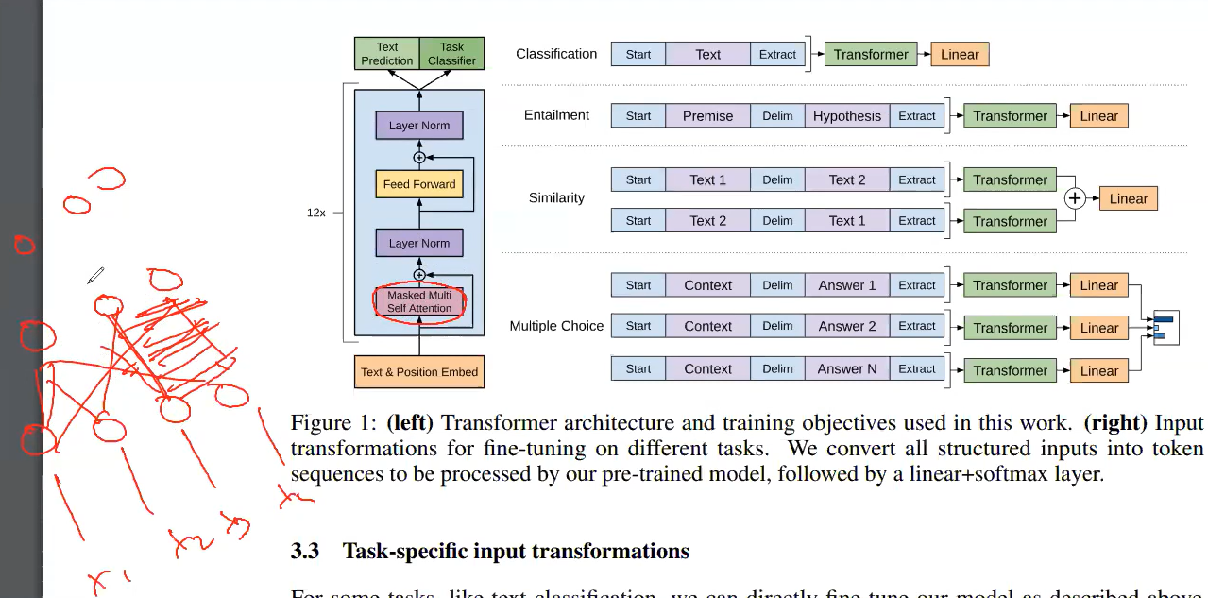
10

 |  |  | Decoder

11 | Masking in case of GPT

 | Disadvantage of GPT

 | - Not Bi-Directional

BERT | [ Bi-directional Encoder Representation from Transformers ]

 | Reference | 04.AttentionIsAllYouNeed/1810.04805.pdf

 | - GPT is unidirectional .

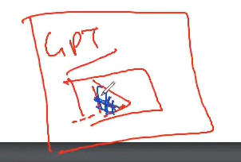

 |  |  |  |  |  |  |  |  |  |  |  | GPT masks whole sentence , inside itself .
 |  | BERT masks input data randomly .

 |  |  |  |  |  |  | BERT GPT

1 |  |  |  |  |  | Transformer

 |  |  |  |  | Encoder |  | Decoder

 |  |  |  |  | BERT family |  | GPT

 |  |  |  |  | NER |  | Text Generation
 |  |  |  |  | Text Classification
2
 | Original architecture of BERT : 6 encoders

 |  |  | BERT BASE |  | 12 layers

 |  |  | BERT LARGE |  | 24 layers

3 |  |  |  | Pre-training a BERT Model

 |  | MLM |  |  |  |  | NSP
 |  | Masked Language Model |  |  |  |  | Next Sequence Prediction

4 | Masked Language Modelling

 | I am Vasanth . I am a data scientist , who loves ML .

 | While training ,
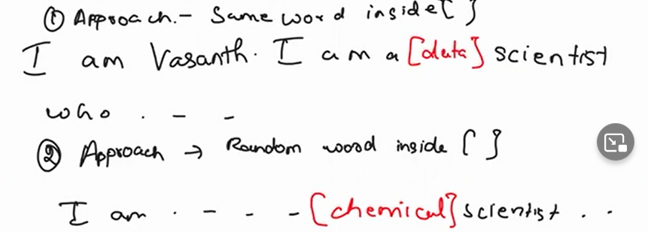

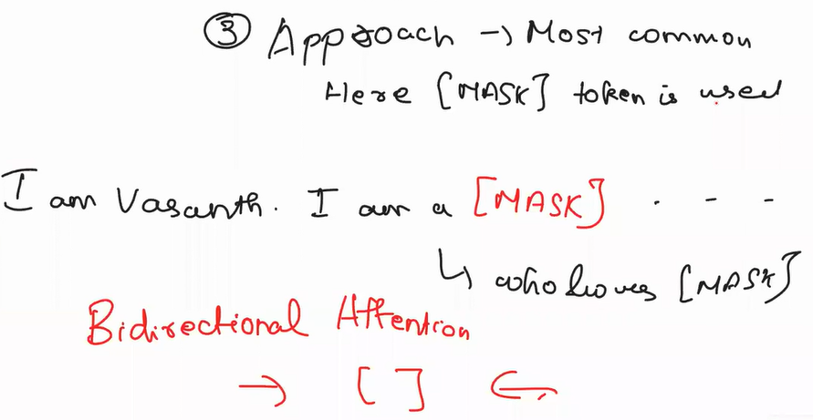

 |  |  |  |  |  |  |  |  |  |  |  |  | Traverse the sentence in both the ways

 |  |  |  |  |  |  |  |  |  |  |  |  | A | B | C

 |  |  |  |  |  |  |  |  |  |  |  |  |  | Mask Token
5 | Next Sequence Prediction

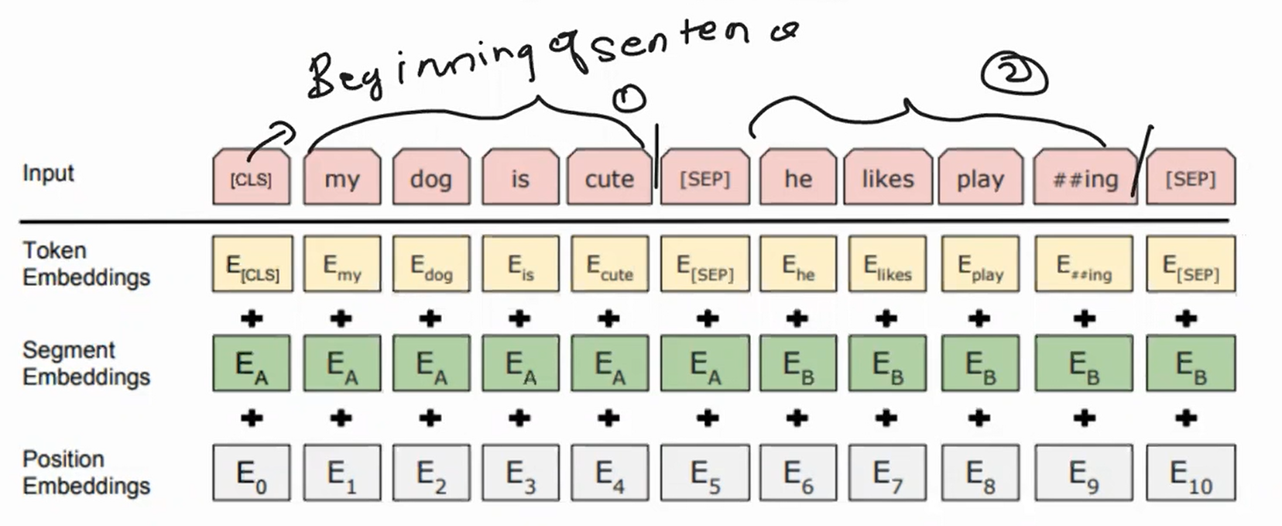

 |  | NSP is auto completion - google keyboard / whatsapp

6 | BERT is two steps Framework .

 |  | Pre-training |  |  |  | Fine Tuning

 |  | Book Corpus |  |  |  | Downstream task
 |  | English Wikipedia |  |  |  | classification , summerization ,QA , translation
 |  | MLM+NSP

7 | GPT | [ Generative Pretrained transformer ]

 | - Decoder family model .
 | - Multi-headed attention
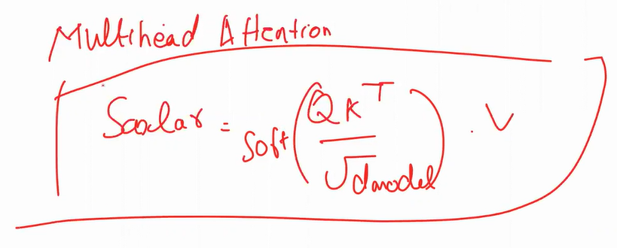

8 | Masked Multihead Attention .

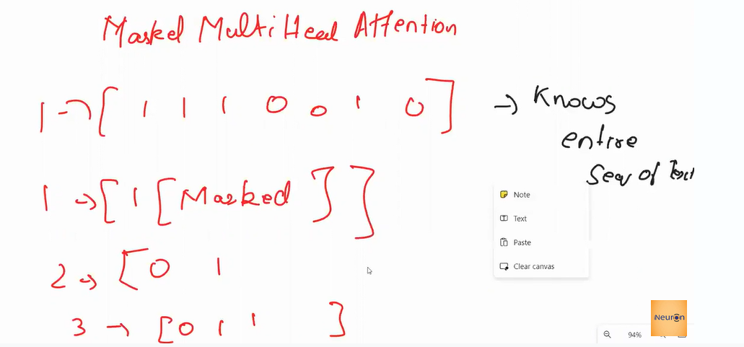

 | why are we masking the words ?

 |  | - We shouldn't know about what is coming with the next sequence .
 |  | - GPT is auto regressive in nature
 |  |  | - keep on increasing
 |  |  | - g keyboard , predict the next word based on ealier one .

9 | GPT-3

 |  | 175 billion parameters

 |  | bloom | 176B

 |  | Switch transformer is the largest model
 |  |  | Trillion parameters .

 |  | Most commonly used is : GPT-2

10 | Code Example

 |  | https://huggingface.co/models

 | Google - BERT hugging face

 |  | https://huggingface.co/datasets/emotion

Reference
 | /06.BERT-GPT_Project/BERT_GPT_Project.ipynb

